Bugs
Bug ID | FP_Bug_001 | Screenshot
Defect Description | Exist User Registration Expected Behavior: The server should return a 400 Bad Request status code, indicating that the request was invalid or malformed. Actual Behavior: The server returns a 500 Internal Server Error status code, indicating that an unexpected error occurred on the server. root case:Server-Side Code Error, There may be a bug or unhandled exception in the server-side code

Bug ID | FP_Bug_002 | Screenshot
Defect Description | Get User Profile Expected Behavior: The server should return a 200 OK status code.. Actual Behavior: The server returns a 404 Not Found status code. The response is HTML instead of JSON, causing JSON parsing errors. root case:the admin has no feature to get Users profiles

Bug ID | FP_Bug_003 | Screenshot
Defect Description | Get RSVPs for an Event (Admin Only) Expected Behavior: The server should return a 200 OK status code, indicating that the request was successful. Actual Behavior: The server returns a 403 Forbidden status code, indicating that the request was understood but access is denied. root case: the admin has no feature to get the RPSVs of events

Bug ID | FP_Bug_004 | Screenshot
Defect Description | Register user with blank Emial field Expected Behavior: valdition message with "'Email field is required!'" Actual Behavior: the user had been created and It was registered in the database

Bug ID | FP_Bug_005 | Screenshot
Defect Description | *After event creation the admin home page become as user home page * the admin can RSVP to events as a user | 

Bug ID | FP_Bug_006 | Screenshot
Defect Description | *the admin can RSVP to events as a user * Database register the same RSVP of the same user to the same event several times | 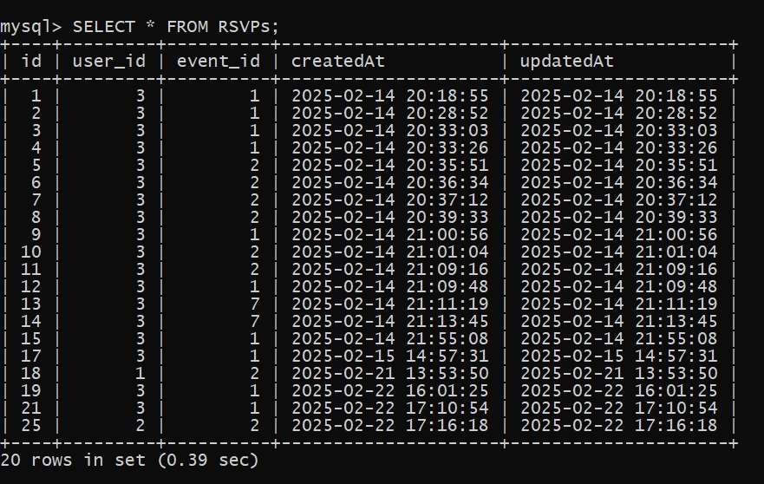

Bug ID | FP_Bug_007 | Screenshot
Defect Description | Login page sometimes show "Invalid credentials" when login with valid credentials

Bug ID | FP_Bug_008 | Screenshot
Defect Description | unconstant id for almost all elements of (login, home, dashboard) pages, IDs change every time of refreshing any page

Bug ID | FP_Bug_009 | Screenshot
Defect Description | User can not cancel RSVPs to any event

Bug ID | FP_Bug_010 | Screenshot
Defect Description | At TestCase6 at "REGISTER" (should show error message for blank email) : the test case failed at first then it pass root case: when test case run at first time the user is registered, then the registeration fialed because of the username is already existed not because of blank email field

Bug ID | FP_Bug_011 | Screenshot
Defect Description | More than one event can be created with same data

